Scenario DCRO
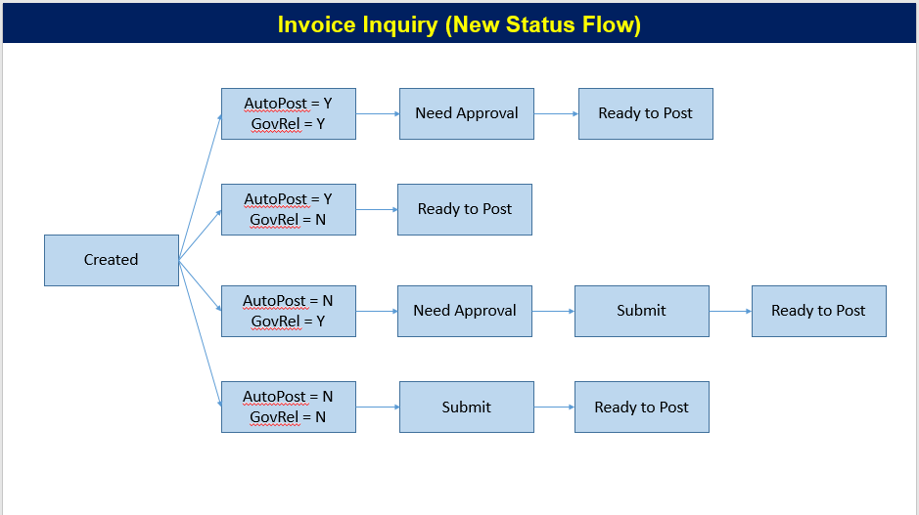
Subject: Test Scenario Vendor Validation

No | Scenario | User | Expected | Remark Error | Result | PIC | Status | URL | http://pas-qas-saphana.toyota.co.id/Login#r
Master Vendor
1 | Create / input due dilligant status vendor per vendor in scope | GAD | able to created / input | ketik nama vendor tidak bisa, saat edit harus upload ulang data | OK with note | Pak Tony |  | WBS Active in QAS PAS | A3.Y2021.0015.61713H0100
2 | Create / input due dilligant status vendor by upload template in scope | GAD | able to upload | attachment harus diupload manual per masing-masing vendor, DD form apakah harus diupload? | OK with note | Pak Tony |  |  | A3.Y2021.0015.61714B0100
3 | Create / input due dilligant status vendor per vendor out of scope | GAD | able to created / input | tidak berhasil, harus upload form DD | NO OK | Pak Tony |  |  | A3.Y2021.0015.61714B0200
4 | Create / input due dilligant status vendor by upload template out of scope | GAD | able to upload |  | OK | Pak Tony
5 | Edit / revise due dilligant status vendor per vendor | GAD | able to edit / revise | bisa dilakukan hanya jika upload DD | NO OK | Pak Tony |  | Account Create PR | id: rendhy.baskara
6 | Edit / revise due dilligant status vendor by upload template | GAD | able to edit / revise by upload file | balasan upload terkirim 9x | OK with note | Pak Tony |  |  | pass: Toyota@123
7 | Edit / change due dilligant status vendor per vendor out of scope | GAD | able to edit / change | tidak berhasil, harus upload form DD | NO OK | Pak Tony
8 | Edit / change due dilligant status vendor by upload template out of scope | GAD | able to edit / change by upload file |  | OK | Pak Tony |  | Account Approve PR | muhammad.taufik
9 | Delete / Cancel due dilligant status vendor per vendor in scope | GAD | able to delete | tidak berhasil | NO OK | Pak Tony |  | and Create PO | pass: Toyota@123!
10 | Delete / Cancel due dilligant status vendor by upload template in scope | GAD | able to delete by upload file | ??? |  | Pak Tony
11 | Delete / Cancel due dilligant status vendor per vendor out of scope | GAD | able to delete | tidak berhasil | NO OK | Pak Tony |  | Account | tony_a
12 | Delete / Cancel due dilligant status vendor by upload template out of scope | GAD | able to delete by upload file | ??? |  | Pak Tony |  |  | Toyota@123
13 | Input agreement kontrak per vendor need agreement | GAD/ legal | able to input |  | Success | Bu Vira
14 | Input agreement kontrak by upload vendor need agreement | GAD/ legal | able to upload | Sudah tulis di template excel tapi masih belum bisa terupload | Error | Bu Vira |  |  | sodiq
15 | Input agreement kontrak per vendor no need agreement | GAD/ legal | able to input | Saat ini belum bisa terbaca Agreement per amount, sehingga agreement under 210 Juta masih membutuhkan agreement juga terbacanya (kesepakatan amount under 210 juta tulis Rp0, above 210 juta tulis actual amount | Success, with notes | Bu Vira |  |  | pass: Toyota@123!
16 | Input agreement kontrak by upload vendor no need agreement | GAD/ legal | able to upload | Sudah tulis di template excel tapi masih belum bisa terupload | Error | Bu Vira
17 | Edit periode agreement kontrak per vendor | GAD/ legal | able to edit | Jika vendor sudah di add lebih dari sekali, menu edit pada data vendor tersebut tidak keluar | Success, with notes | Bu Vira
18 | Edit periode agreement kontrak by upload | GAD/ legal | able to edit by upload | Sudah tulis di template excel tapi masih belum bisa terupload | Error | Bu Vira
19 | Edit periode agreement kontrak per vendor with spps | GAD/ legal | able to edit | Agreement dengan spps akan di set periode nya 3 bulan dari expired agreement | Success, with notes | Bu Vira
20 | Edit periode agreement kontrak by upload with spps | GAD/ legal | able to edit by upload | Sudah tulis di template excel tapi masih belum bisa terupload | Error | Bu Vira
21 | Edit remark status agreement kontrak per vedor | GAD/ legal | able to edit | Jika vendor sudah di add lebih dari sekali, menu edit pada data vendor tersebut tidak keluar | Success, with notes | Bu Vira
22 | Edit remark status agreement kontrak by upload | GAD/ legal | able to edit by upload | Sudah tulis di template excel tapi masih belum bisa terupload | Error | Bu Vira
23 | Reminder Agreement almost expired | GAD/ legal | email to pic / buyer | Masih belum bisa dicoba |  | Bu Vira
24 | Reminder Agreement base on status agreement (tor, draft, final, approval finish) | GAD/ legal | email to pic / buyer |  |  | Bu Vira
PO Creation / Validation
25 | Create PO with vendor in scope status due dilligant not exist | GAD | not able to select vendor | due dilligant not exist | OK | Pak Tony
26 | Create PO with vendor in scope status due dilligant expired | GAD | not able to select vendor | due dilligant expired | OK | Pak Tony
27 | Create PO with vendor in scope status due dilligant active and agreement not exist | GAD | not able to select vendor | agreement not exist | OK | Pak Tony
28 | Create PO with vendor in scope status due dilligant active and agreement expired | GAD | not able to select vendor | agreement expired | OK | Pak Tony
29 | Create PO with vendor in scope status due dilligant active and agreement active | GAD | PO created | success | OK | Pak Tony
30 | Create PO with vendor in scope status due dilligant active and no need agreement | GAD | PO created | success | OK | Pak Tony
31 | Create PO with vendor in scope status due dilligant active and agreement replace with spps | GAD | PO created | success | BELUM DICOBA | Pak Tony
32 | Create PO with vendor out of scope status due dilligant and agreement not exist | GAD | not able to select vendor | agreement not exist | OK | Pak Tony
33 | Create PO with vendor out of scope status due dilligant and agreement expired | GAD | not able to select vendor | agreement expired | OK | Pak Tony
34 | Create PO with vendor out of scope status due dilligant and agreement active | GAD | PO created | success | OK | Pak Tony
35 | Create PO with vendor out of scope status due dilligant and no nedd agreement | GAD | PO created | success | OK | Pak Tony
36 | Create PO with vendor out of scope status due dilligant and agreement replace with spps | GAD | PO created | success | BELUM DICOBA | Pak Tony
2nd Reviewer
37 | Approve Transaction with parameter Auto-Post =Y & Gov Rel = Y | FD | Ready to Post |  |  | Franky
38 | Notice Transaction with parameter Auto-Post =Y & Gov Rel = Y | FD | Notice |  |  | Franky
39 | Approve Transaction with parameter Auto-Post =N & Gov Rel = Y | FD | Ready to Post |  |  | Franky
40 | Notice Transaction with parameter Auto-Post =N & Gov Rel = Y | FD | Notice |  |  | Franky
41 | Check information in invoice data whether invoice date < due diligence date | FD | (keep) |  |  | Franky
42 | Check information in invoice data whether invoice date > due diligence date | FD | (keep) |  |  | Franky
43 | Check information in invoice data whether invoice date < agreement period | FD | (keep) |  |  | Franky
44 | Check information in invoice data whether invoice date > agreement period | FD | (keep) |  |  | Franky
45 | Check high risk vendor color flag |  | (keep) |  |  | Franky

